Excel Basics
EXCEL TUTORIALS
1 | Excel is made of two components: Ribbon and Sheet
2 | Ribbon: used to navigate and access commands. The Ribbon is made up by the App launcher, Tabs, Groups and Commands. In this section we will explain the different parts of the Ribbon.
3 | Sheet: columns and rows make cells. The reference of the cell is its coordinates. For example, C4 has the coordinates of column C and row 4. You find the cell in the intersection of the two. The letter is always the column and the number is always the row.
4 | hotkey Shift + F11 to create new sheets
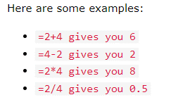
5 | Excel Syntax: A formula in Excel is used to do mathematical calculations. Formulas always start with the equal sign = typed in the cell, followed by your calculation.
6 | Example: 2 Entries | =1+1 | 2 | Type the equal sign (=) and then enter numeric value1 , arithemetic operator and numeric value2
7 | Example: Multi cells | F7 (=D7-E7) | 100 | 25 | 75 | Select cell F7 > Type the equal sign (=) and then click D7 cell, arithemetic operator and E7 cell > Enter
8 | Note: You can make formulas with all four arithmetic operations, such as addition (+), subtraction (-), multiplication (*) and division (/).
 | Values used in formulas can be typed directly or by using cells. The formula updates the result if the value of cells changes. The fill function can be used to continue your formulas upwards, downwards and sidewards. Excel has pre-built SUM functions, such as =SUM(E1:E4) or =SUM(25;15;5)

9 | Excel Ranges: Range is an important part of Excel because it allows you to work with selections of cells
10 | Selecting Multiple Cells: More than one cell can be selected by pressing and holding down CTRL or Command and left clicking the cells. Once finished with selecting, you can let go of CTRL or Command.
11 | Type the range Column A, Row 1 : Column E, Row 10 >> A1:E10
12 | Double Click: The fill function can be double clicked to complete formulas in a range. For the double click to work it has to see a recognizable pattern. For example: by using headers, or with the formulas in the columns or rows next to the data. Adding headers helped the function to understand the relationship between the data.
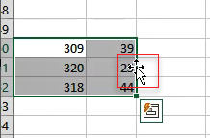
13 | Excel Move Cells >> There are two ways to move cells: Copy and paste or by Drag and drop.
14 | Tip: You can cut using the hotkey CTRL+X, or copy using CTRL+C and paste by CTRL+V. This saves you time.
15 | Drag and drop >> Select the cell range that need to move. Hover over the selected range until the mouse cursor change the symbol and then drag and drop by pressing and holding left mouse button to the cell you want to drop.
16 | keyboard shortcut for the Undo command > CTRL + Z (Windows) / Command+Z (MAC)
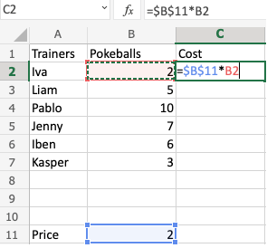
17 | keyboard shortcut for the Redo command > CTRL + Y (Windows) / Command + Y (MAC)

18 | Excel References: Excel has two types of references Relative and Absolute References
19 | Relative References >> References are relative by default, and are without dollar sign ($). The relative reference makes the cells reference free. It gives the fill function freedom to continue the order without restrictions. Example: =A1
20 | Absolute References >> References use dollar sign ($). It locks a reference in the formula. - Absolute for column and row. The reference is absolutely locked. Example: =$A$1 - Absolute for the column. The reference is locked to that column. The row remains relative. Example =$A1 - Absolute for the row. The reference is locked to that row. The column remains relative. Example =A$1

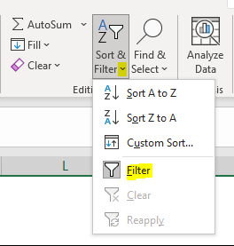
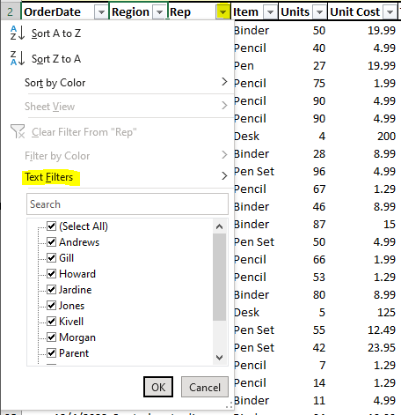
21 | Excel Parentheses: Parentheses () is used to change the order of an operation. Example: =(10+5)*2
22 | When using more advanced formulas you may need to nest parentheses. You can look at this like an onion, which has many layers. Excel will calculate the numbers inside the parentheses first, layer by layer, starting with the inner layer. Example: =((2*2)+(3*4)+(5*5))*2

23 | Excel Format Grids: By default, gridlines are displayed in Excel. Click view in the Ribbon navigation bar and uncheck gridlines to remove grids.
24 | Excel Format Settings: Changing Format Settings is accessed in the options part of the File menu

25 | Excel Data Analysis: Analysis can be done by sorting, filtering, formating, applying rules and charts
26 | Excel Sorting: Ranges can be sorted using the Sort Ascending and Sort Descending commands. The commands are found in the Ribbon under the Sort & Filter menu dropdown.
27 | Excel Filter: Filters can be applied to sort and hide data. It makes data analysis easier. It is important to have a row of headers when applying filters. Having headers is useful to make the data understandable. New buttons have been added to the cells in the top row. This indicates that the Filter was successfully applied. Click the drop down menu and choose the Filter option >> All items are checked by default. The checked items are the ones that are shown. Uncheck to hide.
28 | Excel table: Tables connect cells in a range and put it into a fixed structure. The cells in the table range share the same formatting. Click Insert in the Ribbon and then Table.
29 | Note: Tables can be used to prepare data for charts and pivot tables. Note: It is useful to know the table names when you have many tables in a workbook and are referring to them in formulas. Note: The remove duplicate command will not ask for which duplicates to delete. Make sure that it does not delete useful data.
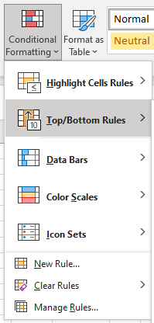
30 | Table Design >> The menu appears when selecting a cell in the table's range. - Resize (Table Design > Resize Table): Selecting new data range for table allows to resize the table range. Example: A1:F12 to A1:F20 - Remove duplicates (Table Design > Remove Duplicates): Removing duplicates are helpful when cleaning a dataset and you do not want to include copies. - Convert to range (Table Design > Convert to Range): Tables can be reversed and converted back to range. It no longer has the table options available. - Style options (Table Design > Table Styles) Options to select different styles (Total row, Header row, Banded row etc..)

31 | Excel Conditional formatting: It is used to change the appearance of cells in a range based on your specified conditions. Used for visual data analysis. Home > Conditional Formatting > Color Scales: The conditions are rules based on specified numerical values or matching text. All the cells in the range gradually change color from green, yellow, orange, then red.
32 | Excel Highlight Cell Rules: Highlight Cell Rules is a premade type of conditional formatting in Excel used to change the appearance of cells in a range based on your specified conditions. The conditions are rules based on specified numerical values, matching text, calendar dates, or duplicated and unique values.
33 | "Equal To..." | "Greater Than..." | "Less Than..." | "Between...": highlight cell rule will highlight a cell with one of the appearance options based on the cell value according to specified value.
34 | Excel Top/Bottom Rules are premade types of conditional formatting in Excel used to change the appearance of cells in a range based on your specified conditions. Home > Conditional Formatting > Top/Bottom Rules
35 | Excel Data Bars are premade types of conditional formatting in Excel used to add colored bars to cells in a range to indicate how large the cell values are compared to the other values.
36 | Note: You can remove the Highlight Cell Rules with Manage Rules. Conditional Formatting rules can be managed and removed using the Clear Rules and Manage Rules features.

37 | Excel Charts are visual representations of data used to make it more understandable.
38 | Pivot Table is a functionality in Excel which helps you organize and analyze large data sets

39 | Excel Functions: Excel has many premade formulas, called functions.
40 | AND Functions: It is a premade function in Excel, which returns TRUE or FALSE based on two or more conditions. Note: The AND function is often used together with the IF function. The IF function is typed =IF and has 3 parts: =IF(logical_test, [value_if_true], [value_if_false]) T, T = T / T, F = F / F, T = F / F, F = F
41 | OR Functions: It is a premade function in Excel, which returns TRUE or FALSE based on two or more conditions. Note: The AND function is often used together with the IF function. The IF function is typed =IF and has 3 parts: =IF(logical_test, [value_if_true], [value_if_false]) T, T = T / T, F = T / F, T = T / F, F = F
 | XOR function is a premade function in Excel, which returns TRUE or FALSE based on two or more conditions. Note: For two conditions, you can think of the XOR function as: "either this or that, but not both" T, T = F / T, F = T / F, T = T / F, F = F
42 | AVERAGE function is a premade function in Excel, which calculates the average (arithmetic mean). It adds the range and divides it by the count number. Example: sum of the observations (2 + 3 + 4 = 9)/3 = 3 The function ignores cells with text and completes the calculation with numbers only. =AVERAGE(range)
43 | AVERAGEIF function is a premade function in Excel, which calculates the average of a range based on a true or false condition. It has 3 parts: =AVERAGEIF(range, criteria, [average_range])
44 | CONCAT function is used to link multiple cells without adding any delimiters between the combined cell values. CONCAT function accepts cell values of both text and numbers. =CONCAT(cell1, delimiter, cell2) Note: Delimiters are spacing or symbols used to seperate content elements apart from each other. Examples: comma , semicolon ; quotes " or ' braces {} pipes | slashes / \ inside of quotation marks to create a delimiter (" ")
45 | TRIM function is premade in Excel and used to remove irregular text spacing and keep single spaces between words. Use Trim to tidy up irregular spaces in the dataset within the range =TRIM(cell) =TRIM(start cell:end cell)
46 | COUNT function is a premade function in Excel, which counts cells with numbers in a range. Example: =COUNT(A2:A20)
47 | COUNTA function is a premade function in Excel, which counts all cells in a range that has values, both numbers and letters. Example: =COUNTA(A2:B20)
48 | Note: The COUNT function only counts cells with numbers, not cells with letters. The COUNTA function is better used if the cells have letters.
49 | COUNTBLANK function is a premade function in Excel, which counts blank cells in a range. Example: =COUNTBLANK(A2:A20)
50 | COUNTIF function can have basic or more advanced uses to count cells as specified criteria. This covers the basic use for how to count specific numbers (e.g. 90) and words (e.g. "water"). =COUNTIF(range, criteria)
51 | =COUNTIF(B$31:B$50,K54): Range references should be $ absolute because if the references for the range are kept relative, the fill function will move the range downwards, including blank cells and missing the range where the data is.
52 | IF function is a premade function in Excel, which returns values based on a true or false condition. =IF(logical_test, [value_if_true], [value_if_false])
53 | IFS function is a premade function in Excel, which returns values based on one or more true or false conditions. =IFS(logical_test1, value_if_true1, [logical_test2, value_if_true2], [logical_test3; ...)
54 | LEFT function is used to retrieve a chosen amount of characters, counting from the left side of an Excel cell. The chosen number has to be greater than 0 and is set to 1 by default. =LEFT(cell) LEFT Function with a Defined Length of Characters. =LEFT(cell,3)
55 | RIGHT function is used to retrieve a chosen amount of characters, counting from the right side of an Excel cell. The chosen number has to be greater than 0 and is set to 1 by default. =RIGHT(cell)
56 | SUM function is a premade function in Excel, which adds numbers in a range. =SUM(cellnumber1:cellnumber6)
57 | SUMIF function is a premade function in Excel, which calculates the sum of values in a range based on a true or false condition. =SUMIF(range, criteria, [sum_range])
58 | MAX function is a premade function in Excel, which finds the highest number in a range. =MAX(cell range)
59 | MIN function is a premade function in Excel, which finds the lowest number in a range. =MIN(cell range)
60 | MEDIAN function is a premade function in Excel, which returns the middle value in the data. =MEDIAN(cellrange)
61 | MODE function is a premade function in Excel, which is used to find the number seen most times.
62 | Note: The mode is a type of average value, which describes where most of the data is located.

63 | NPV function is used to calculate the Net Present Value (NPV). =NPV(rate, value1, value2, ...)
64 | VLOOKUP function is a premade function in Excel, which allows searches across columns. =VLOOKUP(lookup_value, table_array, col_index_num, [range_lookup]) =VLOOKUP(lookup value, range containing the lookup value, the column number in the range containing the return value, Approximate match (TRUE) or Exact match (FALSE)).
65 | Lookup_value: Select the cell where search values will be entered. Table_array: The table range, including all cells in the table. Col_index_num: The data which is being looked up. The input is the number of the column, counted from the left. Range_lookup: TRUE if numbers (1) or FALSE if text (0).
66 | RAND function is used to generate random numbers. Rand can be used to generate any random number. You can define limits, create random data sets and much more. To receive a random number: =RAND()*value | Example to generate numbers between 0 and 10: =RAND()*10 To receive Whole number: =INT(RAND())
67 | TEST
68
69
70
71
72
73
74
75
76
77
78
79
80
81
82
83
84
85
86
87
88
89
90
91
92
93
94

Pivot Table and Chart
OrderDate | Region | Rep | Item | Units | Unit Cost | Total | Click on A1 cell >> click Insert on the top ribbon > click Pivot table and then select the fields that wants to show in pivot table
2021-01-23 | Central | Kivell | Binder | 10 | 19.99 | 199.9 | Row Labels | Sum of Total | Pivot Table is a functionality in Excel which helps you organize and analyze large data sets
2021-02-09 | Central | Jardine | Pencil | 40 | 4.99 | 199.6 | Central | 10909.43 | It allows to add and remove values, perform calculations, and to filter and sort data sets.
2021-02-26 | Central | Gill | Pen | 27 | 19.99 | 539.73 | Andrews | 438.37 | The Pivot Table Fields panel is used to change how to show the data. The settings can be separated in two: Fields and Layout.
2021-04-18 | Central | Andrews | Pencil | 75 | 1.99 | 149.25 | Gill | 1749.87
2021-05-05 | Central | Jardine | Pencil | 90 | 4.99 | 449.1 | Jardine | 2832.15
2021-06-25 | Central | Morgan | Pencil | 90 | 4.99 | 449.1 | Kivell | 2309.84 | Remove Pivot Table by selecting the entire PivotTable and pressing Delete key to remove
2021-09-01 | Central | Smith | Desk | 4 | 200 | 800 | Morgan | 1387.77
2021-10-05 | Central | Morgan | Binder | 28 | 8.99 | 251.72 | Smith | 2191.43
2021-11-25 | Central | Kivell | Pen Set | 96 | 4.99 | 479.04 | East | 6012.13
2021-12-12 | Central | Smith | Pencil | 67 | 1.29 | 86.43 | Howard | 536.75
2022-01-15 | Central | Gill | Binder | 46 | 8.99 | 413.54 | Jones | 2373.08
2022-02-01 | Central | Smith | Binder | 87 | 15 | 1305 | Parent | 3102.3
2022-03-24 | Central | Jardine | Pen Set | 50 | 4.99 | 249.5 | West | 2486.72
2022-04-10 | Central | Andrews | Pencil | 66 | 1.99 | 131.34 | Sorvino | 1283.61
2022-05-14 | Central | Gill | Pencil | 53 | 1.29 | 68.37 | Thompson | 1203.11
2022-05-31 | Central | Gill | Binder | 80 | 8.99 | 719.2 | Grand Total | 19408.28
2022-06-17 | Central | Kivell | Desk | 5 | 125 | 625
2022-07-21 | Central | Morgan | Pen Set | 55 | 12.49 | 686.95
2022-08-07 | Central | Kivell | Pen Set | 42 | 23.95 | 1005.9 | Insert >> Charts are visual representations of data used to make it more understandable. Commonly used charts are:
2022-09-10 | Central | Gill | Pencil | 7 | 1.29 | 9.03 | 1. Pie chart
2022-10-31 | Central | Andrews | Pencil | 14 | 1.29 | 18.06 | 2. Column chart | Bar chart
2022-11-17 | Central | Jardine | Binder | 11 | 4.99 | 54.89 | 3. Line chart
 | Total
Central Andrews | 438.37
Central Gill | 1749.87
Central Jardine | 2832.15
Central Kivell | 2309.84
Central Morgan | 1387.77
Central Smith | 2191.43
East Howard | 536.75
East Jones | 2373.08
East Parent | 3102.3
West Sorvino | 1283.61
West Thompson | 1203.11
Rep by Region
 | Total
Central Andrews | 438.37
Central Gill | 1749.87
Central Jardine | 2832.15
Central Kivell | 2309.84
Central Morgan | 1387.77
Central Smith | 2191.43
East Howard | 536.75
East Jones | 2373.08
East Parent | 3102.3
West Sorvino | 1283.61
West Thompson | 1203.11
 | Total
Central Andrews | 438.37
Central Gill | 1749.87
Central Jardine | 2832.15
Central Kivell | 2309.84
Central Morgan | 1387.77
Central Smith | 2191.43
East Howard | 536.75
East Jones | 2373.08
East Parent | 3102.3
West Sorvino | 1283.61
West Thompson | 1203.11
2022-12-04 | Central | Jardine | Binder | 94 | 19.99 | 1879.06
2022-12-21 | Central | Andrews | Binder | 28 | 4.99 | 139.72
2021-01-06 | East | Jones | Pencil | 95 | 1.99 | 189.05
2021-04-01 | East | Jones | Binder | 60 | 4.99 | 299.4
2021-06-08 | East | Jones | Binder | 60 | 8.99 | 539.4
2021-07-12 | East | Howard | Binder | 29 | 1.99 | 57.71
2021-07-29 | East | Parent | Binder | 81 | 19.99 | 1619.19
2021-08-15 | East | Jones | Pencil | 35 | 4.99 | 174.65
2021-09-18 | East | Jones | Pen Set | 16 | 15.99 | 255.84
2021-10-22 | East | Jones | Pen | 64 | 8.99 | 575.36
2021-11-08 | East | Parent | Pen | 15 | 19.99 | 299.85
2021-12-29 | East | Parent | Pen Set | 74 | 15.99 | 1183.26
2022-02-18 | East | Jones | Binder | 5 | 6 | 30
2022-04-27 | East | Howard | Pen | 96 | 4.99 | 479.04
2022-07-04 | East | Jones | Pen Set | 62 | 4.99 | 309.38
2021-03-15 | West | Sorvino | Pencil | 56 | 2.99 | 167.44
2021-05-22 | West | Thompson | Pencil | 32 | 1.99 | 63.68
2022-03-07 | West | Sorvino | Binder | 7 | 19.99 | 139.93
2022-08-24 | West | Sorvino | Desk | 3 | 275 | 825 | Changing The Chart Title
2022-09-27 | West | Sorvino | Pen | 76 | 1.99 | 151.24 | The default chart title in Excel is "Chart Title". This is not informative. The title should describe the chart.
2022-10-14 | West | Thompson | Binder | 57 | 19.99 | 1139.43 | Double click on the chart and click on + to format or customize it.
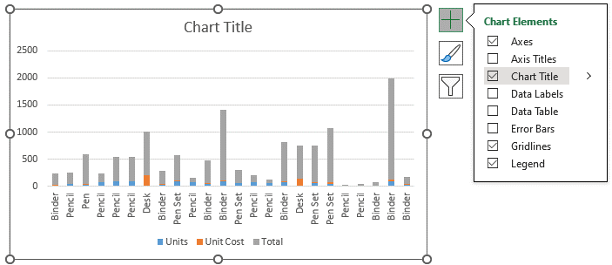
Central Region

Conditional Formatting
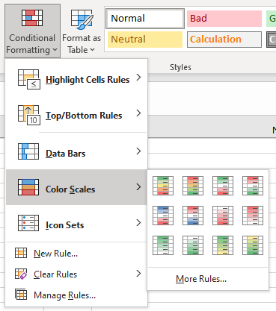
 | Conditional Formatting Example
 | N | Name | Type | Speed |  |  |  |  |  | 1 | Select the range that needs formating. Example: F3:F8
 | 1 | Parent | Grass | 58 |  |  |  |  |  | 2 | Click on the Conditional Formatting icon in the ribbon
 | 2 | Jones | Grass | 43 |  |  |  |  |  | 3 | Select the Color Scales from the drop-down menu
 | 3 | Howard | Fire | 65 |  |  |  |  |  | 4 | Dark green is used for the highest values, and dark red for the lowest values.
 | 4 | Thompson | Fire | 100
 | 5 | Sorvino | Water | 45
 | 6 | Gill | Water | 80

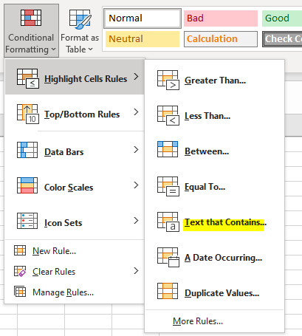
 | Highlight Cell Rules (HCR) |  |  |  |  |  |  |  |  |  | Home > Conditional Formatting > Highlight Cells Rules > Text that contains
 | Name | Type 1 | HP | Attack | Defense | Sp. Atk | Sp. Def | Speed | Date |  | Light Red Fill with Dark Red Text
 | Magikarp | Water | 20 | 10 | 55 | 15 | 20 | 80 | 2024-02-27 |  | Yellow Fill with Dark Yellow Text
 | Gyarados | Grass | 95 | 125 | 79 | 60 | 100 | 81 | 2024-11-21 |  | Green Fill with Dark Green Text
 | Lapras | Water | 130 | 85 | 80 | 85 | 95 | 60 | 2024-11-21 |  | Light Red Fill
 | Ditto | Fire | 48 | 48 | 48 | 48 | 48 | 48 | 2024-09-28 |  | Red Text
 | Eevee | Fire | 55 | 55 | 50 | 45 | 65 | 55 | 2024-09-18 |  | Red Border
 | Vaporeon | Water | 130 | 65 | 60 | 110 | 95 | 65 | 2024-10-12
 | Jolteon | Electric | 65 | 65 | 60 | 110 | 95 | 130 | 2024-01-25 |  | Highlight Cell Rule will highlight a cell based on the cell value being equal to your specified value (Numeric/Text)
 |  |  |  |  |  |  |  |  |  |  | "Equal To..." | "Greater Than..." | "Less Than..." | "Between..."
 |  |  |  |  |  |  |  |  |  | 1 | Select the range E20:J26 for all of the stat values
 | Equal To | 55 | water |  |  |  |  |  |  | 2 | Click on the Conditional Formatting icon on the ribbon
 | Less Than | 50 |  |  |  |  |  |  |  | 3 | Select the Highlight Cell Rules from the drop-down menu
 | Greater Than | 75 |  |  |  |  |  |  |  | 4 | Click any one option ("Equal To..." | "Greater Than..." | "Less Than..." | "Between...")
 | Between | 60-75 |  |  |  |  |  |  |  | 6 | This will open a dialog box where you can specify the value and the appearance option.
 |  |  |  |  |  |  |  |  |  | 7 | Enter numeric/texts into the input field
 | Date HCR | A Date Occurring… |  |  |  |  |  |  |  | 8 | Select the appearance option "Yellow Fill with Dark Yellow Text" from the dropdown menu > Click OK
 | Last Week | 2024-02-27
 | Next Month | 2024-01-25

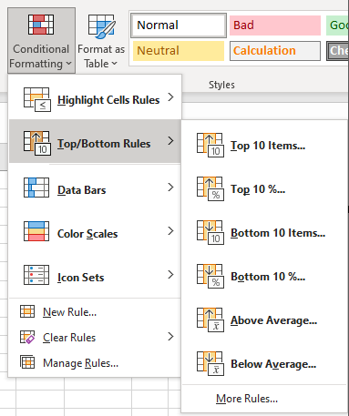
 | Excel Top/Bottom Rules
 | Name | Type 1 | Top/Bottom Rules | Data Bars | Color Scales | Icon Sets
 | Bulbasaur | Grass | 45 | 70 | 20 | 80 |  |  | Top/Bottom Rules
 | Ivysaur | Grass | 60 | 42 | 35 | 65 |  |  | Above Average |  | Green Fill with Dark Green Text
 | Venusaur | Grass | 80 | 67 | 45 | 89 |  |  | Below Average |  | Light Red Fill with Dark Red Text
 | Charmander | Fire | 65 | 50 | 90 | 100
 | Charmeleon | Fire | 80 | 75 | 105 | 45 |  |  | Manage Rules… |  | You can remove all the rules from a selected range of cells or from the entire spreadsheet using the Clear Rules options.
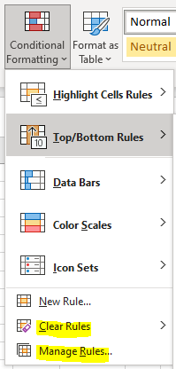
 | Charizard | Fire | 100 | 100 | 15 | 67 |  |  |  |  | You can also use the Manage Rules menu option to delete or edit conditional formatting rules.
 | Squirtle | Water | 43 | 0 | 30 | 80
 | Wartortle | Water | 58 | -40 | 57 | 65
 | Blastoise | Water | 78 | 55 | 35 | 80
 | Caterpie | Bug | 45 | 30 | 45 | 98
 | Metapod | Bug | 30 | 45 | 90 | 43
 | Butterfree | Bug | 70 | 56 | 100 | 58
 | Weedle | Bug | 50 | 65 | 33 | -10
 | Kakuna | Bug | 35 | 85 | 30 | 78
 | Rattata | Normal | 72 | 90 | -25 | 38
 | Raticate | Normal | 97 | 99 | 55 | 69
 | Spearow | Normal | 70 | 35 | 63 | 54
 | Fearow | Normal | 100 | 57 | 87 | 0
 | Ekans | Poison | 55 | 23 | 0 | 48
 | Arbok | Poison | 80
 | Pikachu | Electric | 90
 | Raichu | Electric | 110
 | Sandshrew | Ground | 40
 | Sandslash | Ground | 65
 | Nidoran | Poison | 41
 | Nidorina | Poison | 56
 | Average |  | 65.961538462

Complete the following to solve the case: | Item | Item price | Price | Shop cart | Discount %
Prices for items (E73:E79) | Pokeball | 200 | $200 | 1
Sub total (D81) | Great ball | 600 | $1,200 | 2
Add discount (D82) | Ultra ball | 1200 | $4,800 | 4
Total price (D84) | Potion | 300 | $300 | 1
 | Super potion | 700 | $700 | 1
 | Hyper potion | 1200 | $1,200 | 1
 | Antidote | 100 | $100 | 1

 | Subtotal | $8,500
 | Discount | $850
 |  |  |  | Discount | 10
 | Total | $7,650

shortcuts
1 | Enter | Ctrl E | on second row
 | Raw Data | Raw | Data
 | Power Query | Power | Query
 | Data Model | Data | Model
 | Power Pivot & DAX

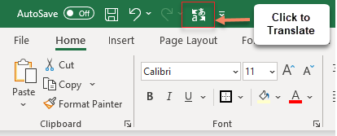
2 | Click the cell and then | Review >> Translate | =GOOGLETRANSLATE(B12,"en","fr") |  | or click Translate from the ribbon
 | English | Hindi
 | Happy Thanksgiving | हैप्पी थैंक्सगिविंग
 | I love my grandma | मैं अपनी दादी से प्यार करता हूं

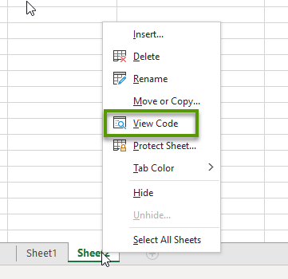
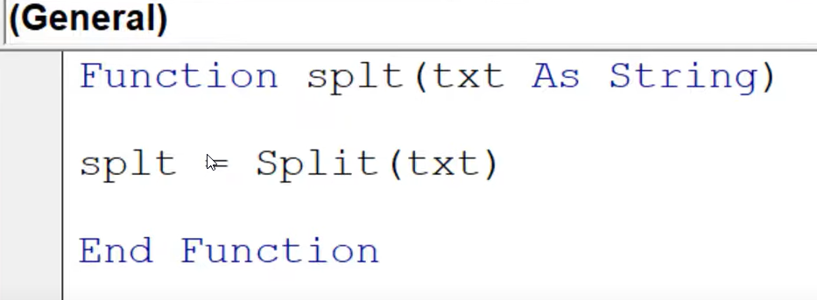
3 | Create a splt function using Visual Basic Code | =SPLT(B21) |  | View Code >> Current Workbook >> Insert >> Module >> Create a Function
 | Lisa Rai | Lisa | Rai
 | Mimi Rai | Mimi | Rai
 | Prakash Rai | Prakash | Rai
 | Sumita Rai | Sumita | Rai

 |  | 2
 |  |  | Net Profit
 | 523 | 235 | 288
 | 256 | 582 | -326
 | 100 | 124 | -24
 | 250 | 352 | -102
ATL = | 1129

